AI Error Proofing
AI Error proofing cell

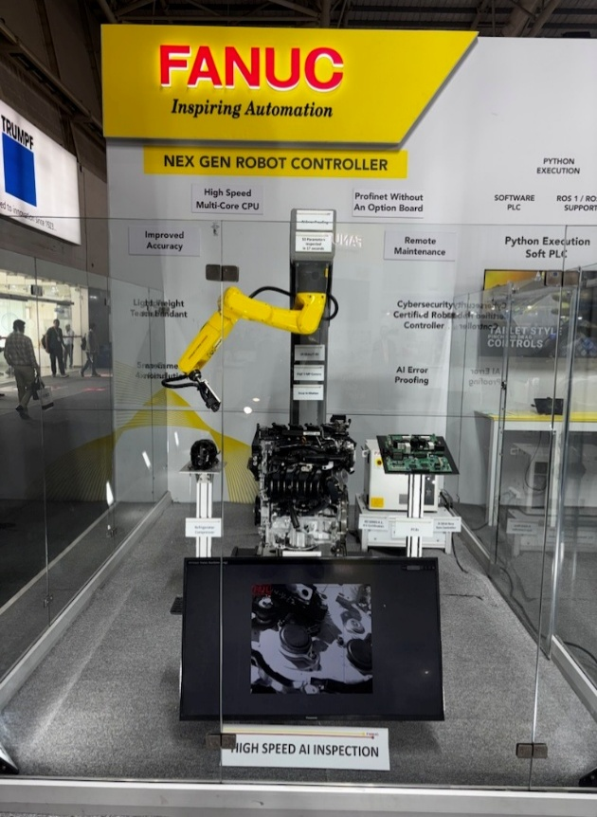
(Can be read from robot registers)

1. Production data | Register Index
No. of components | 11
Cycle Time (in seconds) | 12
Total no. of cycles run | 13
Robot speed in % | 14

2. AI Inspection

Total no. of snaps taken | 15
Total no. of parameters inspected/cycle | 16
Total no. of parameters inspected/hour | 17

3. Quality

No. of OK parameters | 19
No. of NG parameters | 20
Inspection status | 21

 |  | Cell Image for reference

